Sheet1
 | B0 | -943.18181818
 | B1 | 0.48798701299
 |  |  |  |  | INR^2
 | Income per month (x) | Spending (y) | Predictions (ycap) | Error(y-ycap) | Error^2 | Absolute Error | PE | y-ymean | (y-ymean)^2
 | 100000 | 50000 | 47856.82 | 2143.18 | 4593220.5124 | 2143.18 | 4.29% | 20200 | 408040000
 | 80000 | 35000 | 38096.82 | -3096.82 | 9590294.1124 | 3096.82 | 8.85% | 5200 | 27040000
 | 60000 | 29000 | 28336.82 | 663.18 | 439807.7124 | 663.18 | 2.29% | -800 | 640000
 | 45000 | 20000 | 21016.82 | -1016.82 | 1033922.9124 | 1016.82 | 5.08% | -9800 | 96040000
 | 30000 | 15000 | 13696.82 | 1303.18 | 1698278.1124 | 1303.18 | 8.69% | -14800 | 219040000

mean | 63000 | 29800 |  | MSE | 3471104.6724 |  | RSS | 17355523.362
 |  |  |  | RMSE | 1863.090087 |  | TSS | 750800000
 |  |  |  | MAE | 1644.636
 |  |  |  | MAPE | 5.84% |  | R2 | 0.9769 | >0.8 Then it is good fit
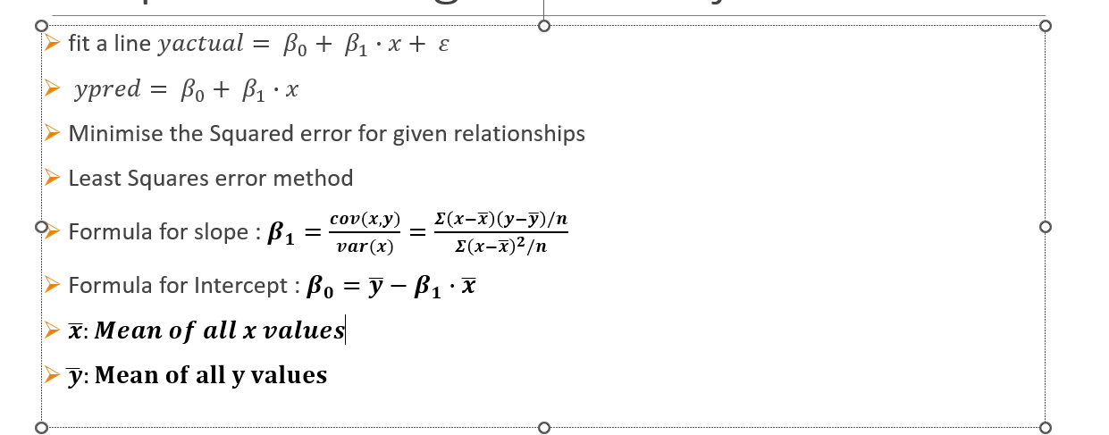

 | Height | Marks in maths | R2 score near to 0 or negative

